Module 13
Main
 | Module 13 - Substantive testing 2: Tests of detail

 | Verb>>>Population>>>Evidence>>>Activity

 | Consideration for substantive procedures
 | >ROMM
 | >Approach
 | >Accounting policies
 | >Assertions
 | >Common procedures

 | Designing Test of detail
 | >Testing a specific assertion
 | >Testing a specific risk
 | >Testing techiniques
 | >Available evidence
 | >Reliability of the test
 | >Testing a specific issue/matter

 | Sampling
 | consider the purpose of the audit preocsudre and the characteristics of the population
 | Determine the level of tolerable misstatement
 | determine the sample size and selected items for testing
 | perform audit procedures
 | identify the nature and cause of misstatement
 | Project the mistatement of the population
 | evaluate the results

 | Outstanding audit matters
 | analyse the outstanding issue
 | design procedures to gather sufficient appropriate evidence to resolve the issue

 | Design tailored substantive procedures
 | CAATs and ADAs
 | Design and evaluate testing audit work procedures

 | will always do some standard procedures e.g. debtors circularisatoin

 | balance of how much analytical procedures and TOD
 | if ROMM is higher for a balance - less AR, more TOD
 | if ROMM is low - more AR, less TOD

 | assertions risk

 | This is how to document testing technique

 | Verb >> | Population>> | Evidence>> | Activity
 | Inspection | Transactions | reliable and relvant
 | Confirmation | Account | invoice
 | Recalculation |  | contracts,
 | Enquiry |  | GRN/GDN
 |  |  | physical
 |  |  | invenotry
 |  |  | machinery
 |  |  | calculations
 |  |  | discussions with mgmt or third parties

 | Inspection | 1 mark
 | Confirmation | 1 mark
 | (analytical procedure done before)
 | Recalculation | 1 mark
 | Enquiry | 1/2 mark

 | Activity 1: Fixed asset additions examples
 | For a sample of assets selected from the fixed asset register, physically inspect the asset to determine whether it exists.
 | For a sample of assets purchased in the year selected from the fixed asset register, agree the additions to purchase invoices and delivery note as evidence that purchase has taken place.

 | Really spell it out
 | pretend discribing to a very junior auditor what to do
 | essentially - describe it to a labrador

 | must test all assetions for the account

 | Standard test - always to be included
 | PY close and CY open
 | cast to test accuaracy
 | closing balances: TB to FS

 | If the exam tells you the standard tests have not/have been completed. Include as appropriate. Easy 2 marks

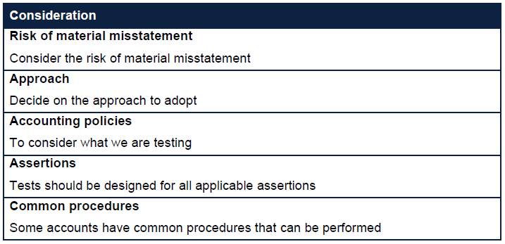

 | If ROMM is high or higher - then TOD done in addition to SAR

 | We can approach testing the detail of an account balance by either:
 | 1. Testing the movements which give rise to the balance
 | 2. Testing the closing account balances directly
 | The decision about which approach to use will be based on the practicalities of what it is possible to test and what is the most efficient approach.
 | practicalities of what is possibel to test, not the most efficient test

 |  | Assertions
 | C | completeness
 | O | occurance
 | C | cut off
 | A | accuracy
 | C | classification

 | FAR - agrees PY close and CY open. Then test the changes in the year
 | inventory - test invenotry on hand at year end

 | As a general rule, for non-current assets and liabilities we will test the
 | movements and for current assets and liabilities we will test the closing balance.

 | Think about the effect to other accounts

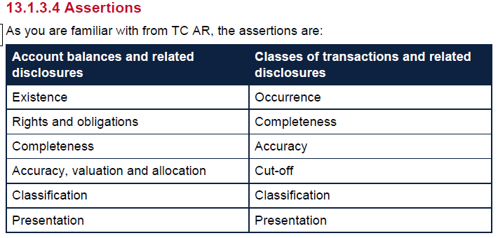

 | ABD | COTD
 | E | O
 | R&O | C
 | C | A
 | AVA | CU
 | CL | CL
 | P | P

 | break the test into assertions. Then test to address each assertion

 | Which assertions are the tests addressing

 | Completeness is often hard to test, so is often a higher risk procedures

 | These common procedures will always be done:
 | • Debtors circularisation (trade receivables)
 | • Supplier statement reconciliations (trade payables and GRNI accrual)
 | • Bank reconciliations (bank and cash)
 | • Subsequent cash testing (trade receivables)

 | substantive tests of detail in the exam. The considerations are:
 | • Risk of material misstatement
 | • Approach
 | • Accounting policies
 | • Assertions
 | • Common procedures

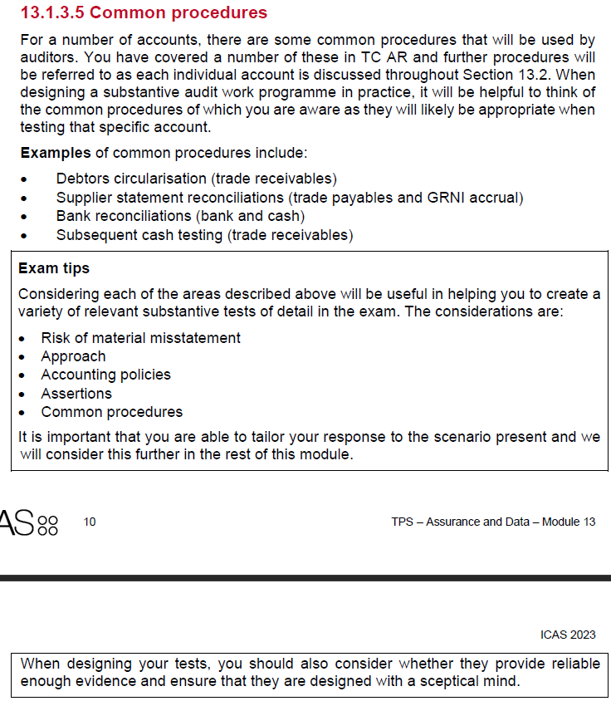

 | A key focus for PPE is often valuation due to complexities, and judgemental nature

 | The transactions that are relevant for property, plant and equipment can include:
 | • Additions
 | • Disposals
 | • Leased assets
 | • Depreciation
 | • Revaluations
 | • Impairments

 | quite often the risk is debit expenses to capitalisation
 | repairs - asset overvalued??

 | so classificaiotn and impairment risk here also

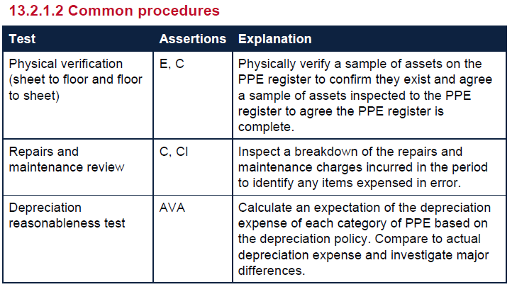

 | lease - contract, bank statements, what assertions, evidence
 | valuation - reval and impairments
 | leases - IFRS 16 - LT/ST - finannce charges

 | Substantive procedures |  |  | Assertion

 | Leased assets
 | Recalculate the lease calculations for the new lease with reference to the lease contract, bank statements for payments made and IAS 17 Leases. |  |  | AVA
 | Inspect the new lease contract to confirm that the criteria of IAS 17 are met, and that WLAL have the right to recognise the lease within PPE |  |  | E, R&O
 | Select a sample of short term and low value leases contracts and inspect the terms of the agreements to determine whether these should be recorded as assets in accordance with IAS 17. |  |  | CL, C
 | Discuss with the PPE manager whether any other lease contracts exist to confirm that no assets are omitted |  |  | C

 | Revaluations
 | the Agree valuations to external valuers' reports, ensuring the valuations comply with the requirements of IAS 16. Consider employing our own surveyor to perform a valuation as an independent comparison.risk is valuation. We will inspect the 3 rd part survey and consider the reasonableness and independence of the 3rd party and whether the estimte if reliable enough to be included in our testing. |  |  | AVA
 | Recalculate the revaluation calculations and confirm adjustments to cost and accumulated depreciation are made in accordance with IAS 16. |  |  | AVA

 | Impairment
 | Review physical condition of other PPE for any further indicators of impairment. |  |  | AVA
 | Review reasonableness of assumptions used in the impairment calculations and recalculate impairments and confirm that correct impairment charges have been processed in the accounts. |  |  | AVA

 | The weighting of the above testing is very AVA heavy
 | AVA is the highest risk assertion.

 | Trade receivables

 | Accounting policies
 | Items that commonly impact accounting for trade receivables:
 | • Invoice raised based on goods being despatched |  |  |  | GDN, PO, invoice
 | • Cash received
 | • Provision/ write-down
 | • Discounts
 | • Credit notes
 | • Foreign currency balance translation

 | Common procedures
 | A number of common procedures for trade receivables were introduced in TC AR Module 19 and that detail will not be replicated here. These procedures include:
 | • Performing a debtors’ circularisation
 | • Subsequent cash testing; and
 | • Testing the allowance for doubtful debt (bad debt prov'n)

 | prov'n for DD is AVA

 | Four key procedures
 | playing around with DB prov'n to flex profits

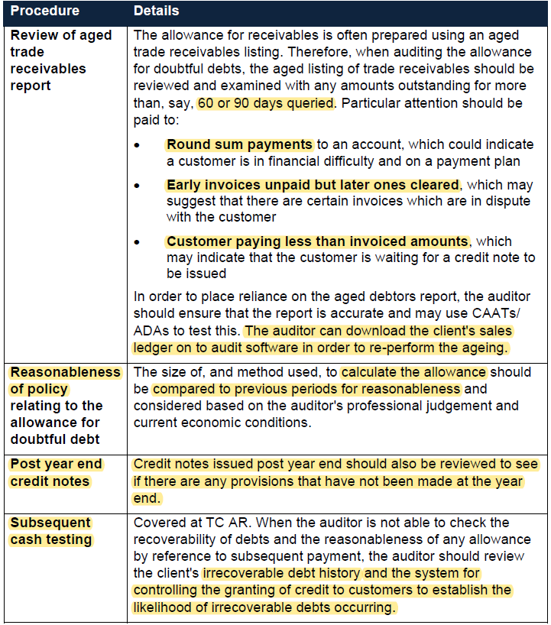

 | Activity 3
 | no allce for DD - inflating the PL as a result

 | Activity 3: Allowance for trade receivables
 | Alton Limited
 | 1. Review credit notes issued after the year end to determine whether a credit note
 | was issued to Alton Limited for all or part of invoice A582 (£945). If a credit note
 | has been issued, discuss with management the need to write off/make an
 | allowance for the part of the invoiced amount which was not recovered.
 | 2. If a credit note has not been issued, review cash received post year end from
 | Alton Limited to determine whether the outstanding balance has been received.
 | If the balance has not been received, discuss the need for an allowance in relation
 | to this invoice.
 | Gill Limited
 | 1. Review post year end cash receipts to determine whether and monies have been
 | received from Gill Limited.
 | 2. If no payment has been received, discuss whether the client intends to establish
 | a payment plan with Gill Limited and also the need for an allowance in relation to
 | the full balance of £7,190.

 | so basically. See if a CN has been issued. If not. A write-off has to be made
 | customer is in financial difficulty. Check post YE receipts. Or if a payment plan has been agreed. If not - a bad debt prevision will need to be made for the full amout.

 | if there are discounts or rebates, this could mean the AR balance is overstated at YE

 | Trade payables

 | Completeness is the highest risk assertion related to payables
 | audit of trade payables is often classified as high risk due to the significant impact that understated liabilities can have on the financial statements

 | FX balance shout be restated using the year end exchange rate.

 | 13.2.3.3 Common procedures
 | A number of common procedures for creditors were introduced in TC AR Module 19 and that detail will not be replicated here:
 | • Supplier statement reconciliations
 | • Creditors’ circularisation
 | • Search for unrecorded liabilities |  |  | completeness

 | Supplier statement reconciliation
 | balance per supplier statement |  |  | x
 | Less:
 | GRNI |  |  | (x)
 | Payments in transit |  |  | (x)
 | Balance per creditors ledger |  |  | X

 | got the stock. Not received an invoice. Need to show you have a liabilty
 | dr - inv
 |  | cr - GRNI
 | YE expense accrual

 | volume rebate. Claimed post year and in mid-july

 | Completeness
 | post year end disbursements
 | unprocessed invoices matches to accured expenses

 | Assertion |  |  | Evidence
 | Completeness |  |  | To use supplier statements
 | perfrom supplier circularisation on selected invoices. Follow up the reconviling items by agreeing invoices to the GRNI accural and any payments not recorded by the supplier to post year end bank statements

 | C, E |  |  | to use pre and post year end GRN
 | Cut-off testing. Test when the good was delivered and whether the liability has been recorded in the correct period.

 | R&O |  |  | to use purchase invoices
 | do the invoices determine whether BB has an obligation relating to the invoice.

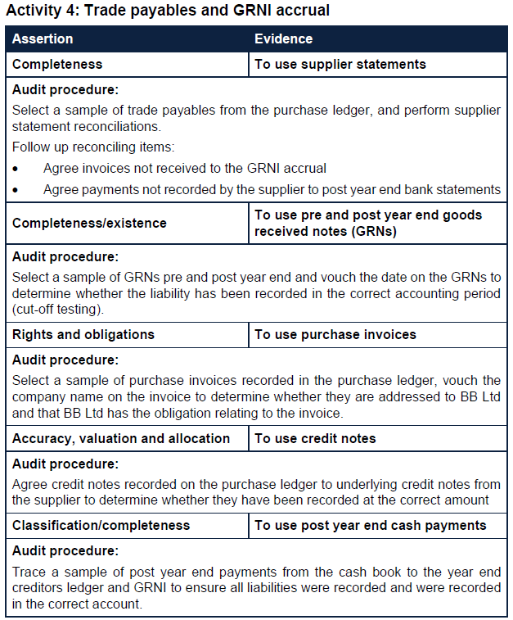

 | What can we do with the evidence to get the comfort we need

 | Inventories - IAS 2

 | Common procedures
 | A number of common procedures for inventory were introduced in TC AR Module 19 and that detail will not be replicated here.
 | • Follow-up tests performed at the inventory count
 | • Cut-off testing
 | • Cost vs. NRV testing
 | • Testing the stock provision

 | Risk indicators - be alert to this
 | The risks of NRV being lower than cost may arise from:
 | • Product line replaced by another model - does the old one need writing down
 | • Poor quality/ damaged/ faulty inventory
 | • Changes in legislation which render a product unusable or increase production costs
 | • Obsolescence (i.e., technical innovation) - old clothing - new tech
 | • Management decision to reduce price to remain competitive - reducing nrv to compete
 | • Adverse exchange rate movements
 | • Poor inventories management
 | • Reduction in sales volumes, requiring sales prices to be discounted

 | Aged and obsolete stock
 | post year-end sales

 | Issue | Explanation | recommendation
 | Test 1 - the cost of RM is more than the invoice cost. On the balance sheet, this will include costs to delivery and non-refundable taxes | The procedure does not test fully that the value of inventory is accurate. | A breakdown of the costs of WIP should be obtained and vouched to relevant sources, including approved absorption rates and shipping invoices.
 | WIP - There is no procedure to test the completeness of WIP. | WE have not fully tested all of the relevant assertions in relatoins to WIP | An additional procedure should be included ot sagree a ssample of WIP items identified and counted by the audit team at the year end stock count to the year end stock listing
 | Test 5 - The test lacks sufficient detail that it can be carried out. | The team member carrying out the procedure will be unable to collect sufficient and appropriate evidence based on the current wording | The procedure should be clarified to: Inspect a sample of WIP items and confirm that they were WIP at the year by reference to the year end stock count sheets.
 | Test 6 - Consignment stock is being confirmed by management. | Management may not be aware of the actual stock held at third parties or may choose to overstate the stock quantities and we have obtained no independent evidence to vouch these quantities. | Obtain confirmation from the third parties holding the consignment stock as to the quantities held and any issues with the quality of stock. If consignment stock is material, visit the third parties to confirm the quantity of stock at the year end date.

 | For completeness, would be taking a sample from the source asset

 | The PPE, AR, AP an inventory is more likely to come up than investments

 | Investments

 | Some specific considerations for the valuation and presentation of long-term investments include:
 | • Obtaining evidence as to the company's ability to hold the investments on a long-term basis
 | • Discussing the company's plans with management
 | • Obtaining written representations
 | • Reviewing the financial statements of the investment company and any other relevant information to support the carrying amount (balance sheet figure)
 | • Considering the need for a write down if the value of the investment is less than the carrying amount (impairment)

 | Procedures to audit an investment

 | Due to the nature of investments being more complex and potentially judgemental,
 | there are no common procedures. However, there are some similarities to PPE as
 | there will be additions, disposals, revaluations and impairments during the year.
 | Procedures that the auditor may perform include:
 | • For a sample of additions taken from the investment listing, agree these to board
 | minutes, third party confirmations and other supporting documentation to confirm
 | that the amount recognised is correct, that the transaction actually happened, that
 | they are owned by the company and that they have been classified correctly within
 | the listing as either listed or unlisted investments. (AVA, E, Cl, R&O)
 | • Select a sample of share certificates (or other investment records) held by the
 | entity and vouch to investment listing to ensure that these have been included. (C)
 | • Review board minutes for evidence of disposal of investments and agree that they
 | have been removed from the investment listing. (E)
 | •For a sample of disposals taken from the investment listing, agree cash receipts to
 | the bank statement and the number of shares sold to sale documentation to ensure
 | that the number of shares recorded as disposed of is accurate and that the
 | disposal took place. (C, AVA)
 | • Discuss with management the purpose of the investment and their intent to hold
 | the investment for more than 12 months. (P, Cl)
 | • Complete an impairment review for all investments, to consider whether the
 | impairment review is appropriate. Discuss impairment indicators with
 | management. (AVA)
 | • Verify share prices of listed investments at year end to a reputable third-party
 | source to confirm that the value is accurate in the financial statements. (AVA)
 | • For a sample of unlisted investments taken from the investment listing, consider
 | the reasonableness of the valuation per share by reviewing the accounts of the
 | investee company to assess whether the carrying value should be written down.
 | (AVA)

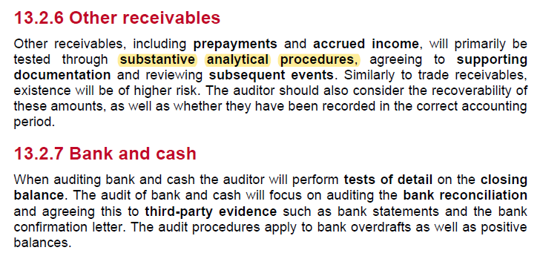

 | Bank and cash

 | Common procedures
 | Common substantive procedures, discussed in TC AR, for bank and cash include:
 | 1. Testing the bank reconciliation
 | 2. Testing the bank confirmation letter
 | 3. Physical cash count of material cash balances
 | 4. Verifying foreign currency rates used for FX accounts, and recalculating the translation

 | Bank confirmation letters

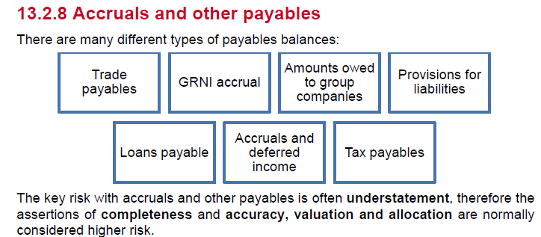

 | Intangible assets

 | Intangible assets could include:
 | • Patents
 | • Computer software
 | • Licences
 | • Patents
 | • Franchises
 | • Development expenditure (research is not capitalised)

 | Research Phase
 | expense at the research phase
 | capitalised a the development stage

 | Common procedures
 | • Vouch the costs capitalised during the period to invoices to determine whether they relate to development expenditure and vouch the amount capitalised
 | • Review expenses listings for any significant invoices paid but not capitalised
 | • Review the research expense account for items that may be related to development costs and should be capitalised as an asset and vice versa
 | • Recalculate the amortisation charge for the period
 | • Review sales made post year end to determine whether the valuation of the intangible has suffered an impairment
 | • Compare actual costs to budgeted costs to ensure that costs have not been over or under capitalised

 | Main risk with intangibles is they have capitalised costs which they should not have

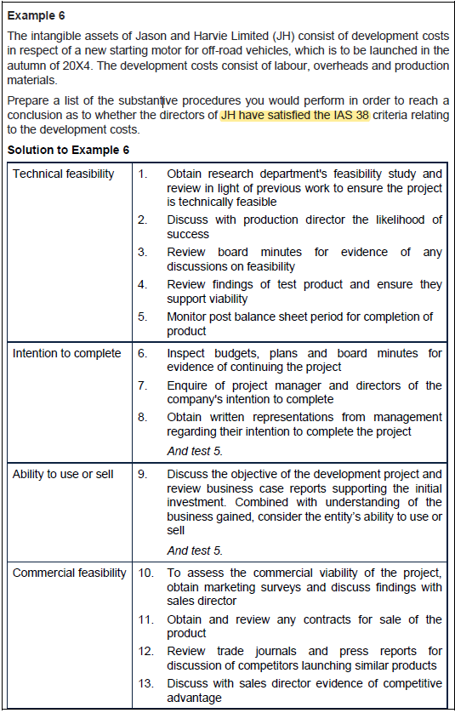
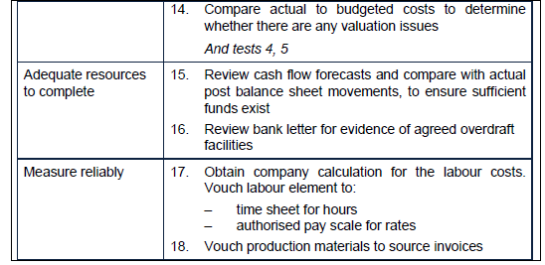

 | Estimates
 | Module 8 set out the responses available to the auditor under ISA (UK) 540 in relation
 | to a risk of material misstatement from accounting estimates and disclosures. These
 | include:
 | • Obtaining evidence from events occurring up to the date of the auditor’s report
 | • Testing how management made the accounting estimate
 | • Developing the auditor’s point estimate or auditor’s range of estimates

 | Using a different model and comparing
 | Stress test the client's model

 | emppy the work of an expert - this will increase audit fee
 | always worth mentioning that using the services of and auditors expert will cost money

 | Provisions and contingencies

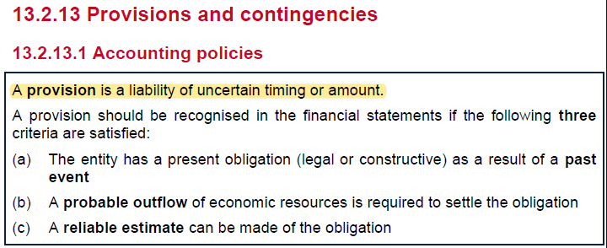

 | present obligation
 | probable outflow
 | reliable estimate

 | Provision for legal costs due to litigation

 | These procedures include:
 | • Enquiries of management and others within the entity
 | • Review directors' minutes and correspondence with solicitors
 | • Examine legal expense accounts
 | • Direct communication with entity’s legal counsel where there is a risk of material misstatement (solicitors' confirmations)

 | Activity 6
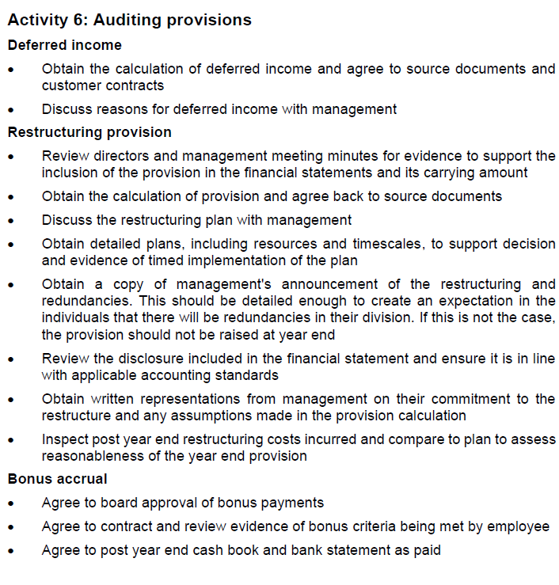

 | Contingencies
 | A contingent liability:
 | • is a possible obligation that arises from past events and whose existence will be
 | confirmed only by the occurrence or non-occurrence of one or more uncertain
 | future events not wholly within control of the entity; or
 | • is a present obligation that arises from past events but it is not recognised because
 | it is not probable that an outflow of resources embodying economic benefits will be
 | required to settle the obligation or the amount of the obligation cannot be measured
 | with sufficient reliability.

 | Contingent liabilites are disclosed in the notes to FS

 | checking whether the contingencies are disclosed and disclosed correctly

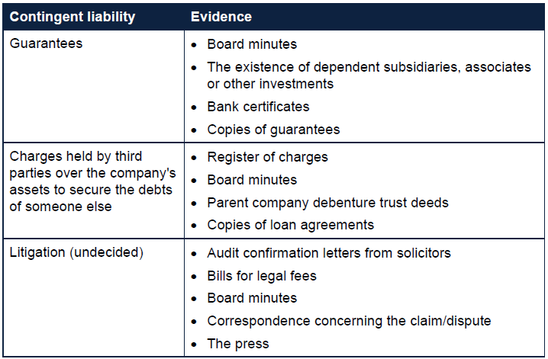

 | Statement og profit or loss

 | relying more on test of controls
 | higher volumes of transactions
 | better if we can do more analytical review
 | SAR is more useful on PL.
 | rely on outcome of planning to plan testing for PL

 | SAR
 | way of gathering evidence on a particular account
 | •Turnover
 | • Cost of Sales (with a view of assessing the gross margin)
 | • Depreciation expense
 | • Payroll

 | Revenue
 | • Agree trade receivables opening balances to prior year signed accounts
 | • Test cut-off of revenue, when testing receivables and stock cut-off to ensure that revenue has been recorded in the correct period
 | • Review post year end credit notes to confirm any adjustments to revenue have been correctly reflected

 | Revenue Recognition

 | Revenue is a key figure in an entity's financial statements and has a significant impact
 | on key financial ratios such as the gross profit margin. Occurrence and cut-off of
 | revenue can be a key audit risk, especially where there is a risk of fraud.
 | This section will consider revenue recognition testing in general and also the audit of
 | revenue from contracts with customers.

 | Additional testing relating to revenue may include:
 | • Performing more detailed analytical review by groups of customers or by individual customers and investigating unusual movements
 | • Scanning the sales listing for unusual transactions, manually or through ADAs
 | • Using ADAs to track revenue streams to appropriate accounts e.g., ensuring that revenue transactions have corresponding entries to trade receivables or bank/cash

 | Even if controls are really good. Have to do some further substantive work. Could be as little as and analytical review

 | If there is fraud risk over revenue
 | then further procedures needed
 | ISA 240 Appendix
 | • Confirming directly with customers the details of relevant contracts
 | • Being physically present at period end to observe goods being shipped
 | • Using automated tools to perform disaggregated substantive analytical procedures

 | IFRS 15 Revenue from contracts with customers

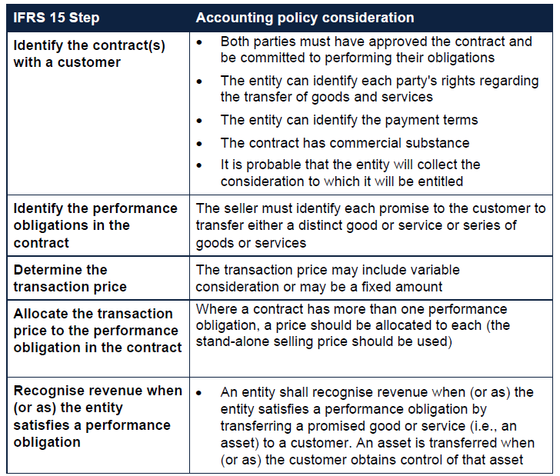

 | Expenses
 | • Agree trade payables and accruals opening balances to prior year
 | • Test cut-off of costs, when testing payables and stock cut-off to ensure that costs have been recorded in the correct period
 | • Review post year end cash payments and unprocessed invoices as part of creditors testing to ensure all relevant expenses have been accrued
 | • Review reasonableness of year end accruals to ensure they represent valid accruals and are recognised in the correct period
 | • Review post year end supplier credit notes to ensure any adjustments required to expenses have been reflected

 | Payroll - Wages and Salaries
 | come back to complete activity 7
 | 1. Analytical review procedures:
 | • Compare the total salary and wage expenses in the current year to the prior year to identify any unusual changes.
 | • Review the payroll register to identify any abnormal or unusual payments.
 | • Compare the payroll register to the overtime timesheets to verify that all overtime payments are properly recorded and approved.
 | • Compare the payroll register to the personnel records to ensure that all employees are properly paid.
 | • Compare the payroll register to the directors’ remuneration disclosure in the financial statements to ensure that all payments are properly recorded.

 | 2. Joiners and leavers:
 | • Review personnel records for any new employees and verify that they are properly recorded in the payroll register.
 | • Review personnel records for any terminated employees and verify that they are properly removed from the payroll register.

 | 3. General payroll procedures:
 | • Review the payroll system to ensure that it is properly designed and operating effectively.
 | • Review the payroll system to ensure that all deductions are properly recorded and authorized.
 | • Review the payroll system to ensure that all salary and wage payments are properly authorized and recorded.
 | • Review the payroll system to ensure that all salary and wage payments are properly calculated and allocated.
 | • Review the payroll system to ensure that all salary and wage payments are properly posted to the general ledger.

 | Derivatives
 | Type of financial instrument
 | include option, futures, and forward contracts, interest rate swaps, and currency swaps

 | higher risk assertions for derivatives
 | accuracy, valuation and allocation, classification and presentation
 | often based on judgements

 | Accounting policies
 | Items that commonly impact accounting for derivatives:
 | • The nature of the derivative and the risks the entity is exposed to
 | • Classification/ presentation requirements under accounting standards
 | • Accounting standard requirements over valuation (FVTPL)

 | Common procedures
 | • External confirmation of bank accounts, trades and custodian statements
 | • Reviewing reconciliations of statements or data feeds from custodians with the entity's own records
 | • Reviewing operational data such as reconciliation differences
 | • Reviewing journal entries for unusual or inappropriate journals
 | • Reading individual contracts and reviewing supporting documentation
 | • Reviewing the entity’s complaints management systems for evidence of unrecorded transactions (a complaint could indicate an unrecorded transaction or missed payment).
 | • Assess whether the assumptions used by management in valuing the financial instruments are reasonable and appropriate
 | • Recalculate any fair value adjustments in line with approved policies and methods and compare to the client's calculation
 | • Consider the impact of any post year end events on year-end valuations
 | • Confirming the validity of valuation models used
 | • Confirm the external prices used by the client to third-party sources – this could include the application of CAATs/ ADAs to trace to third party information/databases
 | In some cases, where there is estimation uncertainty requirements of ISA (UK) 540 must be considered.

 | Activity 8: Auditing derivatives
 | FVTPL
 |  | EUR | GBP
 | Fixed to buy | 5000
 | 2014-10-01 | 1.14 | 4,386
 | 2014-10-31 | 1.08 | 4,630
 | FV increase |  | 244

 | • Obtain a copy of the forward contract and vouch the amount of €5 million and the
 | rate of €1.14 to determine whether the details of the forward contract are accurate
 | and that the contract is held by FRW
 | • Agree the exchange rate of €1.08 to the financial press to determine that the
 | correct spot rate at 31 October 20X4 has been used
 | • Recalculate the gain on the forward contract at 31 October 20X4 to determine
 | whether this has been calculated accurately*. Investigate any significant
 | differences
 | • Trace the journal entries used to account for the fair value adjustment at the
 | period end to the financial statements to ensure that the gain has been
 | recognised through profit or loss
 | • Review board minutes for evidence of any new financial instruments/derivatives
 | entered into during the period that may require disclosure in the financial
 | statements
 | • Complete a disclosure checklist to ensure disclosures are in line with required
 | accounting standards and company law
 | *Note: At 31 October 20X4, the spot rate of €1.08 gives FRW a cost of £4,629,630
 | (€5m ÷ 1.08). However, under the terms of the forward contract FRW would need to
 | pay £4,385,965 (€5m ÷ 1.14), therefore the contract is standing at a gain of
 | £243,665. The derivative would be held as an asset in the financial statements at this
 | fair value.

 | Designing follow up procedures

 | Responding to audit risk
 | This is coming up more and more in exams

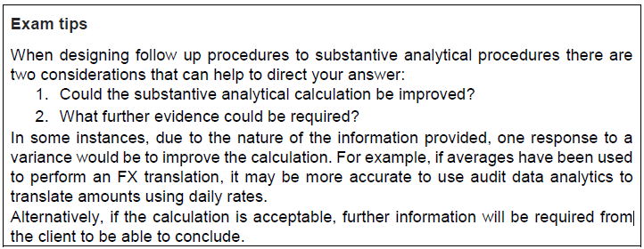

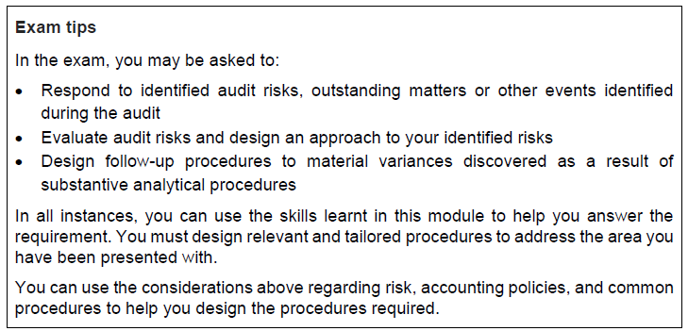

 | rather than just saying more work required. Specify what that additional work is

 | Comparatives and opening balances
 | The auditor should collect evidence to ensure:
 | • Comparative information agrees to the prior period financial statements
 | • The accounting policies reflected in the comparative information are3 consistent with the current period
 | • Where changes to accounting policies have taken place, those changes are appropriately accounted for and presented and disclosed
 | • Sufficient and appropriate evidence in relation to

 | If cannot gain assurance around PY close and CY open - have to issue a modified opinion
 | Where the auditor is unable to obtain sufficient appropriate evidence over the
 | opening balances for an initial engagement, the auditor should consider modifying
 | the audit report with a qualified or a disclaimer of opinion (depending on whether
 | the limitation is material or pervasive to the financial statements as a whole).
 | Where a material misstatement in the opening balances results in a material
 | misstatement in the current period's financial statements, the auditor would issue a
 | modified report with a qualified or an adverse opinion.

 | YE manual journals
 | more inherently risky
 | close process
 | how they get to the accounts
 | the FS has to agree to the underlying in statements
 | and the manual topside journals

 | Presenation and disclosure checklists

